Лист1
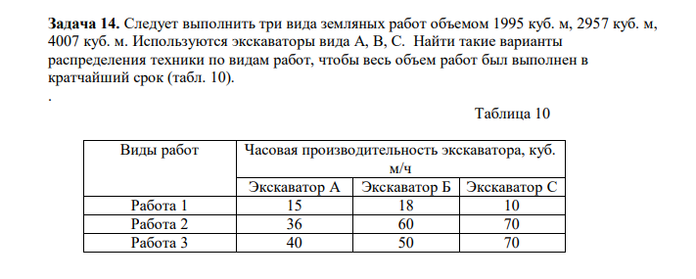

F(x)->min |  |  | X=Объем работы
X-Объем работы |  |  | F(x)=x11*15+x12*18+x13*10+x21*36+x22*60+x23*70+x31*40+x32*50+x33*70->max
x11/15+x12/18+x13/10+x21/36+x22/60+x23/70+x31/40+x32/50+x33/70->min
 |  |  | 15X11+18X12+10X13=1995
X11+X12+X13=1995 |  |  | 36X21+60X22+70X23=2957
X21+X22+X23=2957 |  |  | 40X31+50X32+70X33=4007
X31+X32+X33=4007
 |  |  | x11+x12+x13=8
X11/15+X12/18+X13/10>=0 |  |  | x21+x22+x23=8
X22/36+X22/60+X23/70>=0 |  |  | x31+x32+x33=8
X31/40+X32/50+X33/70>=0
 |  |  | x11>=0 | x12>=0 | x13>=0
x11>=0 | x12>=0 | x13>=0 | x21>=0 | X22>=0 | X23>=0
x21>=0 | X22>=0 | X23>=0 | x31>=0 | x32>=0 | x33>=0
x31>=0 | x32>=0 | x33>=0

x11*15+x12*18+x13*10+x21*36+x22*60+x23*70+x31*40+x32*50+x33*70

6 Задача 2 варик
9 Задача
10 Задача
15 Задача и 14 Задача

